Deflections at Quarters
Christopher Shieh | 2020-06-11
X | Load at L/4 | Load at 2L/4 | Load at 3L/4 | MAX L/4 | MAX L/2 | MAX 3L/4 | MIN L/4 | MIN L/2 | MIN 3L/4
0.01 | -3.2805E-06 | -3.7495E-06 | -2.3435E-06
0.02 | -6.5565E-06 | -0.000007496 | -4.6855E-06
Beam Deflection Curve from 10KN Static Load at L/4, L/2, 3L/4
0.03 | -9.8235E-06 | -1.12365E-05 | -7.0245E-06
0.04 | -0.000013077 | -0.000014968 | -0.000009359
0.05 | -1.63125E-05 | -1.86875E-05 | -1.16875E-05
0.06 | -1.95255E-05 | -0.000022392 | -1.40085E-05
0.07 | -2.27115E-05 | -2.60785E-05 | -1.63205E-05
0.08 | -0.000025866 | -0.000029744 | -0.000018622
0.09 | -2.89845E-05 | -3.33855E-05 | -2.09115E-05
0.1 | -3.20625E-05 | -0.000037 | -2.31875E-05
0.11 | -3.50955E-05 | -4.05845E-05 | -2.54485E-05
0.12 | -0.000038079 | -0.000044136 | -0.000027693
0.13 | -4.10085E-05 | -4.76515E-05 | -2.99195E-05
0.14 | -4.38795E-05 | -0.000051128 | -3.21265E-05
0.15 | -4.66875E-05 | -5.45625E-05 | -3.43125E-05
0.16 | -0.000049428 | -0.000057952 | -0.000036476
0.17 | -5.20965E-05 | -6.12935E-05 | -3.86155E-05
0.18 | -5.46885E-05 | -0.000064584 | -4.07295E-05
0.19 | -5.71995E-05 | -6.78205E-05 | -4.28165E-05
0.2 | -0.000059625 | -0.000071 | -0.000044875
0.21 | -6.19605E-05 | -7.41195E-05 | -4.69035E-05
0.22 | -6.42015E-05 | -0.000077176 | -4.89005E-05
0.23 | -6.63435E-05 | -8.01665E-05 | -5.08645E-05
0.24 | -0.000068382 | -0.000083088 | -0.000052794
0.25 | -7.03125E-05 | -8.59375E-05 | -5.46875E-05
0.26 | -7.21315E-05 | -0.000088712 | -5.65435E-05
0.27 | -7.38395E-05 | -9.14085E-05 | -5.83605E-05
0.28 | -0.000075438 | -0.000094024 | -0.000060137
0.29 | -7.69285E-05 | -9.65555E-05 | -6.18715E-05
0.3 | -7.83125E-05 | -0.000099 | -6.35625E-05
0.31 | -7.95915E-05 | -0.0001013545 | -6.52085E-05
0.32 | -0.000080767 | -0.000103616 | -0.000066808
0.33 | -8.18405E-05 | -0.0001057815 | -6.83595E-05
0.34 | -8.28135E-05 | -0.000107848 | -6.98615E-05
0.35 | -8.36875E-05 | -0.0001098125 | -7.13125E-05
0.36 | -0.000084464 | -0.000111672 | -0.000072711
0.37 | -8.51445E-05 | -0.0001134235 | -7.40555E-05
0.38 | -8.57305E-05 | -0.000115064 | -7.53445E-05
0.39 | -8.62235E-05 | -0.0001165905 | -7.65765E-05
0.4 | -0.000086625 | -0.000118 | -0.00007775
0.41 | -8.69365E-05 | -0.0001192895 | -7.88635E-05
0.42 | -8.71595E-05 | -0.000120456 | -7.99155E-05
0.43 | -8.72955E-05 | -0.0001214965 | -8.09045E-05
0.44 | -0.000087346 | -0.000122408 | -0.000081829 | 0.0001 |  |  | 0.0002
0.45 | -8.73125E-05 | -0.0001231875 | -8.26875E-05
0.46 | -8.71965E-05 | -0.000123832 | -8.34785E-05
0.47 | -8.69995E-05 | -0.0001243385 | -8.42005E-05
0.48 | -0.000086723 | -0.000124704 | -0.000084852
0.49 | -8.63685E-05 | -0.0001249255 | -8.54315E-05
0.5 | -8.59375E-05 | -0.000125 | -8.59375E-05 |  | 0.001 |  |  | 0.001
0.51 | -8.54315E-05 | -0.0001249255 | -8.63685E-05
0.52 | -0.000084852 | -0.000124704 | -0.000086723
0.53 | -8.42005E-05 | -0.0001243385 | -8.69995E-05
0.54 | -8.34785E-05 | -0.000123832 | -8.71965E-05
0.55 | -8.26875E-05 | -0.0001231875 | -8.73125E-05
0.56 | -0.000081829 | -0.000122408 | -0.000087346 |  |  | 0.0001 |  |  | 0.0002
0.57 | -8.09045E-05 | -0.0001214965 | -8.72955E-05
0.58 | -7.99155E-05 | -0.000120456 | -8.71595E-05
0.59 | -7.88635E-05 | -0.0001192895 | -8.69365E-05
0.6 | -0.00007775 | -0.000118 | -0.000086625
0.61 | -7.65765E-05 | -0.0001165905 | -8.62235E-05
0.62 | -7.53445E-05 | -0.000115064 | -8.57305E-05
0.63 | -7.40555E-05 | -0.0001134235 | -8.51445E-05
0.64 | -0.000072711 | -0.000111672 | -0.000084464
0.65 | -7.13125E-05 | -0.0001098125 | -8.36875E-05
0.66 | -6.98615E-05 | -0.000107848 | -8.28135E-05
0.67 | -6.83595E-05 | -0.0001057815 | -8.18405E-05
0.68 | -0.000066808 | -0.000103616 | -0.000080767
0.69 | -6.52085E-05 | -0.0001013545 | -7.95915E-05
0.7 | -6.35625E-05 | -0.000099 | -7.83125E-05
0.71 | -6.18715E-05 | -9.65555E-05 | -7.69285E-05
0.72 | -0.000060137 | -0.000094024 | -0.000075438
0.73 | -5.83605E-05 | -9.14085E-05 | -7.38395E-05
0.74 | -5.65435E-05 | -0.000088712 | -7.21315E-05
0.75 | -5.46875E-05 | -8.59375E-05 | -7.03125E-05
0.76 | -0.000052794 | -0.000083088 | -0.000068382
0.77 | -5.08645E-05 | -8.01665E-05 | -6.63435E-05
0.78 | -4.89005E-05 | -0.000077176 | -6.42015E-05
0.79 | -4.69035E-05 | -7.41195E-05 | -6.19605E-05
0.8 | -0.000044875 | -0.000071 | -0.000059625
0.81 | -4.28165E-05 | -6.78205E-05 | -5.71995E-05
0.82 | -4.07295E-05 | -0.000064584 | -5.46885E-05
0.83 | -3.86155E-05 | -6.12935E-05 | -5.20965E-05
0.84 | -0.000036476 | -0.000057952 | -0.000049428
0.85 | -3.43125E-05 | -5.45625E-05 | -4.66875E-05
0.86 | -3.21265E-05 | -0.000051128 | -4.38795E-05
0.87 | -2.99195E-05 | -4.76515E-05 | -4.10085E-05
0.88 | -0.000027693 | -0.000044136 | -0.000038079
0.89 | -2.54485E-05 | -4.05845E-05 | -3.50955E-05
0.9 | -2.31875E-05 | -0.000037 | -3.20625E-05
0.91 | -2.09115E-05 | -3.33855E-05 | -2.89845E-05
0.92 | -0.000018622 | -0.000029744 | -0.000025866
0.93 | -1.63205E-05 | -2.60785E-05 | -2.27115E-05
0.94 | -1.40085E-05 | -0.000022392 | -1.95255E-05
0.95 | -1.16875E-05 | -1.86875E-05 | -1.63125E-05
0.96 | -0.000009359 | -0.000014968 | -0.000013077
0.97 | -7.0245E-06 | -1.12365E-05 | -9.8235E-06
0.98 | -4.6855E-06 | -0.000007496 | -6.5565E-06
0.99 | -2.3435E-06 | -3.7495E-06 | -3.2805E-06
1 | 0 | 0 | 0

Deflections at Thirds
Christopher Shieh | 2020-06-11
X | Load at L/3 | Load at L/2 | Load at 2L/3 | MAX | MAX | MAX | Bottom | Bottom | Bottom
0.01 | -3.6917E-06 | -3.7495E-06 | -2.9403E-06
0.02 | -7.37938E-06 | -0.000007496 | -5.87862E-06
0.03 | -1.105902E-05 | -1.12365E-05 | -8.81298E-06
0.04 | -1.47266E-05 | -0.000014968 | -1.17414E-05
0.05 | -1.83781E-05 | -1.86875E-05 | -1.46619E-05
0.06 | -2.20095E-05 | -0.000022392 | -1.75725E-05
Beam Deflection from 10KN Loads at L/3 and 2L/3
0.07 | -2.561678E-05 | -2.60785E-05 | -2.047122E-05
0.08 | -2.919592E-05 | -0.000029744 | -2.335608E-05
0.09 | -3.27429E-05 | -3.33855E-05 | -2.62251E-05
0.1 | -3.62537E-05 | -0.000037 | -2.90763E-05
0.11 | -3.97243E-05 | -4.05845E-05 | -3.19077E-05
0.12 | -4.315068E-05 | -0.000044136 | -3.471732E-05
0.13 | -4.652882E-05 | -4.76515E-05 | -3.750318E-05
0.14 | -4.98547E-05 | -0.000051128 | -4.02633E-05
0.15 | -5.31243E-05 | -5.45625E-05 | -4.29957E-05
0.16 | -5.63336E-05 | -0.000057952 | -4.56984E-05
0.17 | -5.947858E-05 | -6.12935E-05 | -4.836942E-05
0.18 | -6.255522E-05 | -0.000064584 | -5.100678E-05
0.19 | -6.55595E-05 | -6.78205E-05 | -5.36085E-05
0.2 | -6.84874E-05 | -0.000071 | -5.61726E-05
0.21 | -7.13349E-05 | -7.41195E-05 | -5.86971E-05
0.22 | -7.409798E-05 | -0.000077176 | -6.118002E-05
0.23 | -7.677262E-05 | -8.01665E-05 | -6.361938E-05
0.24 | -7.93548E-05 | -0.000083088 | -6.60132E-05
0.25 | -8.18405E-05 | -8.59375E-05 | -6.83595E-05 |  |  |  |  |  |  | -0.0001068309
0.26 | -8.42257E-05 | -0.000088712 | -7.06563E-05
0.27 | -8.650638E-05 | -9.14085E-05 | -7.290162E-05
0.28 | -8.867852E-05 | -0.000094024 | -7.509348E-05
0.29 | -9.07381E-05 | -9.65555E-05 | -7.72299E-05
0.3 | -9.26811E-05 | -0.000099 | -7.93089E-05
0.31 | -9.45035E-05 | -0.0001013545 | -8.13285E-05
0.32 | -9.620128E-05 | -0.000103616 | -8.328672E-05
0.33 | -9.777042E-05 | -0.0001057815 | -8.518158E-05
0.34 | -9.92079E-05 | -0.000107848 | -8.70111E-05
0.35 | -0.0001005147 | -0.0001098125 | -8.87733E-05
0.36 | -0.0001016928 | -0.000111672 | -9.04662E-05
0.37 | -0.00010274418 | -0.0001134235 | -9.208782E-05
0.38 | -0.00010367082 | -0.000115064 | -9.363618E-05
0.39 | -0.0001044747 | -0.0001165905 | -9.51093E-05
0.4 | -0.0001051578 | -0.000118 | -9.65052E-05
0.41 | -0.0001057221 | -0.0001192895 | -9.78219E-05
0.42 | -0.00010616958 | -0.000120456 | -9.905742E-05
0.43 | -0.00010650222 | -0.0001214965 | -0.00010020978
0.44 | -0.000106722 | -0.000122408 | -0.000101277
0.45 | -0.0001068309 | -0.0001231875 | -0.0001022571
0.46 | -0.0001068309 | -0.000123832 | -0.0001031481 |  |  | 0.001 |  |  | 0.0001
0.47 | -0.00010672398 | -0.0001243385 | -0.00010394802
0.48 | -0.00010651212 | -0.000124704 | -0.00010465488
0.49 | -0.0001061973 | -0.0001249255 | -0.0001052667
0.5 | -0.0001057815 | -0.000125 | -0.0001057815 |  | 0.001 |  |  | 0.001
0.51 | -0.0001052667 | -0.0001249255 | -0.0001061973
0.52 | -0.00010465488 | -0.000124704 | -0.00010651212
0.53 | -0.00010394802 | -0.0001243385 | -0.00010672398
0.54 | -0.0001031481 | -0.000123832 | -0.0001068309
0.55 | -0.0001022571 | -0.0001231875 | -0.0001068309 | 0.001 |  |  | 0.0001
0.56 | -0.000101277 | -0.000122408 | -0.000106722
0.57 | -0.00010020978 | -0.0001214965 | -0.00010650222
0.58 | -9.905742E-05 | -0.000120456 | -0.00010616958
0.59 | -9.78219E-05 | -0.0001192895 | -0.0001057221
0.6 | -9.65052E-05 | -0.000118 | -0.0001051578
0.61 | -9.51093E-05 | -0.0001165905 | -0.0001044747
0.62 | -9.363618E-05 | -0.000115064 | -0.00010367082
0.63 | -9.208782E-05 | -0.0001134235 | -0.00010274418
0.64 | -9.04662E-05 | -0.000111672 | -0.0001016928
0.65 | -8.87733E-05 | -0.0001098125 | -0.0001005147
0.66 | -8.70111E-05 | -0.000107848 | -9.92079E-05
0.67 | -8.518158E-05 | -0.0001057815 | -9.777042E-05
0.68 | -8.328672E-05 | -0.000103616 | -9.620128E-05
0.69 | -8.13285E-05 | -0.0001013545 | -9.45035E-05
0.7 | -7.93089E-05 | -0.000099 | -9.26811E-05
0.71 | -7.72299E-05 | -9.65555E-05 | -9.07381E-05
0.72 | -7.509348E-05 | -0.000094024 | -8.867852E-05
0.73 | -7.290162E-05 | -9.14085E-05 | -8.650638E-05
0.74 | -7.06563E-05 | -0.000088712 | -8.42257E-05
0.75 | -6.83595E-05 | -8.59375E-05 | -8.18405E-05
0.76 | -6.60132E-05 | -0.000083088 | -7.93548E-05
0.77 | -6.361938E-05 | -8.01665E-05 | -7.677262E-05
0.78 | -6.118002E-05 | -0.000077176 | -7.409798E-05
0.79 | -5.86971E-05 | -7.41195E-05 | -7.13349E-05
0.8 | -5.61726E-05 | -0.000071 | -6.84874E-05
0.81 | -5.36085E-05 | -6.78205E-05 | -6.55595E-05
0.82 | -5.100678E-05 | -0.000064584 | -6.255522E-05
0.83 | -4.836942E-05 | -6.12935E-05 | -5.947858E-05
0.84 | -4.56984E-05 | -0.000057952 | -5.63336E-05
0.85 | -4.29957E-05 | -5.45625E-05 | -5.31243E-05
0.86 | -4.02633E-05 | -0.000051128 | -4.98547E-05
0.87 | -3.750318E-05 | -4.76515E-05 | -4.652882E-05
0.88 | -3.471732E-05 | -0.000044136 | -4.315068E-05
0.89 | -3.19077E-05 | -4.05845E-05 | -3.97243E-05
0.9 | -2.90763E-05 | -0.000037 | -3.62537E-05
0.91 | -2.62251E-05 | -3.33855E-05 | -3.27429E-05
0.92 | -2.335608E-05 | -0.000029744 | -2.919592E-05
0.93 | -2.047122E-05 | -2.60785E-05 | -2.561678E-05
0.94 | -1.75725E-05 | -0.000022392 | -2.20095E-05
0.95 | -1.46619E-05 | -1.86875E-05 | -1.83781E-05
0.96 | -1.17414E-05 | -0.000014968 | -1.47266E-05
0.97 | -8.81298E-06 | -1.12365E-05 | -1.105902E-05
0.98 | -5.87862E-06 | -0.000007496 | -7.37938E-06
0.99 | -2.9403E-06 | -3.7495E-06 | -3.6917E-06
1 | 0 | 0 | 0

Maximum Deflection
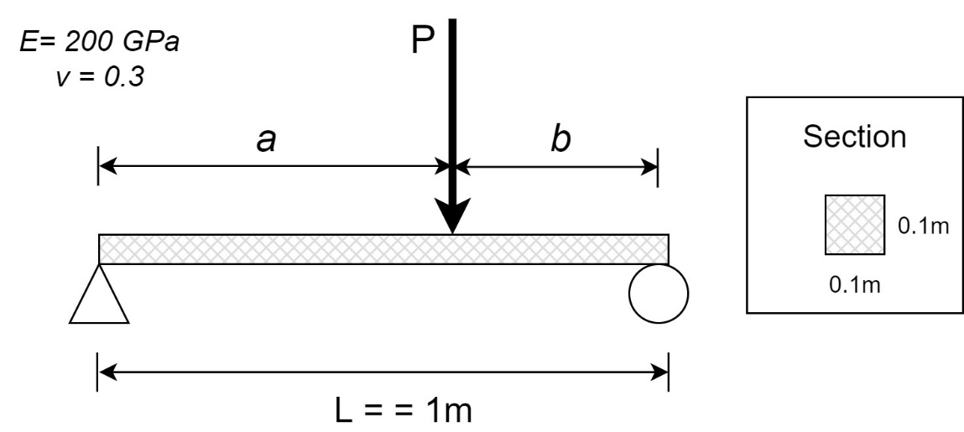
Christopher Shieh
2020-06-30

Base (m) | 0.1
Height (m) | 0.1
E (pa) | 200000000000
Length (m) | 1
a (m) | 0.6667 | Note: Equations only valid for b < a
b (m) | 0.3333
Static Load (N) | 10000

I (m^4) | 8.3333333333E-06
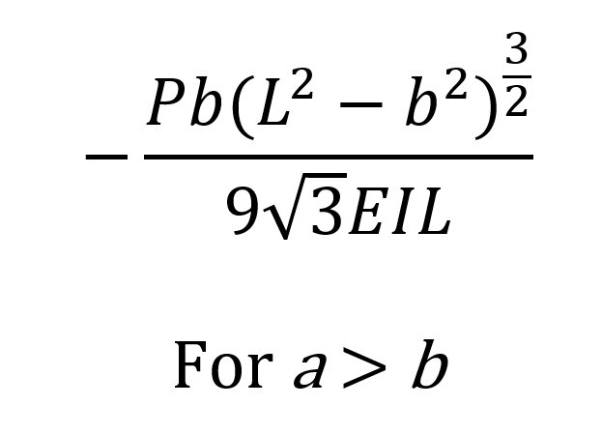
Maximum Deflection (m) | -1.08E-04
Xm | 0.54433785771

